Checklist (Сopy app)
 | Task
 | You need to write application validation options to copy a file from one folder to another. Below is a prototype of the tested page and requirements.
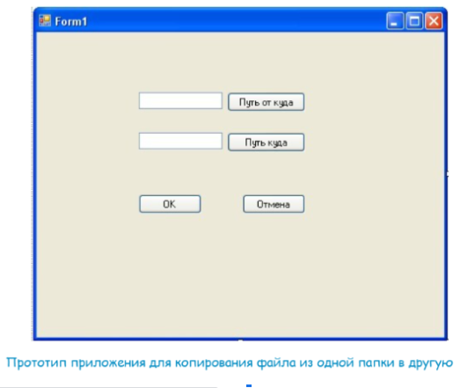

№ | Objective | Result
1 | Fill in the fields with valid values.
2 | Check the functionality of the 'Path from' button.
3 | Check the functionality of the 'Path to' button.
4 | Check the operation of the 'OK' button.
5 | Check the operation of the 'Cancel' button.
6 | Fill in the 'Path to' field, leave the 'Path from' field blank.
7 | Fill in the 'Path from' field, leave the 'Path to' field blank.
8 | Fill in all the required fields with valid values.
9 | Enter the maximum allowable values ​​in the input fields.
10 | Enter the minimum allowable values ​​in the input fields.
11 | Fill in the fields with Cyrillic.
12 | Fill in the fields with Latin.
13 | Fill in the fields via copy/paste.
14 | Fill in the fields by moving to a new line (if possible).
15 | Fill in the fields with numbers.
16 | Fill in the fields using spaces: at the beginning of the text, in the middle, at the end.
17 | Fill in the fields with spaces only.
18 | A progress bar appears when filling in the fields with valid values and clicking on the 'OK' button.
19 | The progress bar is displayed correctly.
20 | The specified file weight is the same as the actual one.
21 | The actual copy time is the same as indicated in the copy modal window.
22 | Maximize the application window to full-screen mode.
23 | Restore down the application window.
24 | Try different application window sizes.
25 | Application window can't be closed when copy modal window appears.
26 | Specify the path from the flash drive to the computer and remove the flash drive during copying.
27 | Specify the path from the computer to the flash drive and remove the flash drive while copying.
28 | Specify the path from the computer to the flash drive, provided that there is not enough memory on the flash drive.
29 | Specify the path from the flash drive to the computer, provided that there is not enough memory on the computer.
30 | Click the 'Cancel' button while copying files.
31 | Click the 'Pause' button while copying files.
32 | Click the 'Continue' button after clicking the 'Pause' button.
33 | Click the 'Minimize', 'Unfold' and 'Close' buttons.
34 | Create a folder in the browse window and select this path to save the file to this folder.
35 | Specify the path in upper case.
36 | Copying in different file formats.
37 | Click the 'Close' button in the copy modal window while copying files.
38 | Click the 'Minimize', 'Unfold' in the copy modal window while copying files.
39 | Enter the maximum allowed value in the fields.
40 | Enter the maximum allowed value in the fields +1.
41 | Enter the path to the folder, not the file.
42 | Copying from/to hidden folders.
43 | Check functionality for users with different rights.

